explanation
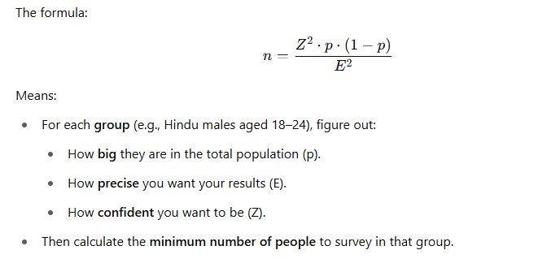
🧠 Formula Recap

1. n (Sample Size)

🔍 What it is: The number of people you need to survey from a specific group.

📈 Why it's important: A small sample might not reflect the population accurately. A statistically calculated sample ensures that your results are reliable.

2. Z (Z-Score)

🔍 What it is: A statistical value that represents how many standard deviations a result is from the mean.

🎯 In this context: It reflects how confident you want to be in your results.


✅ A higher confidence level (like 99%) gives more certainty—but requires a larger sample size.

3. p (Proportion of Population)

🔍 What it is: The proportion of people in a particular demographic.

✍️ How to calculate:

p = \frac{\text{% Population}}{100}

E.g., if 5% of the population is Muslim females aged 18–24, then p=0.05p = 0.05p=0.05

📌 Why it's used: Different groups make up different sizes of the total population. We adjust the sample calculation to represent their weight in the population.

4. (1 - p)

🔍 What it is: The proportion of the population not in that category.

📐 Why it matters: This comes from binomial variance in probability:

5. E (Margin of Error)

🔍 What it is: The range within which the true population result will likely fall.

📊 Example: If your survey says 60% support a party with ±5% margin of error, the real value could be between 55% and 65%.

✍️ Convert % to Decimal:

🎯 Lower margin of error = more accuracy = larger sample size needed.

🔁 Putting It All Together

